Data Science as a Business
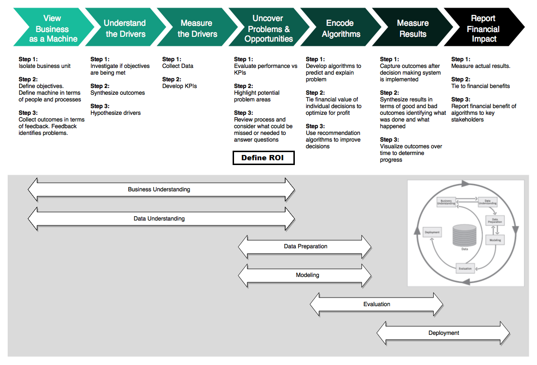

Reference: https://www.business-science.io/bspf.html

ML Project Lifecycle Phases
Supervised Learning Project Lifecycle
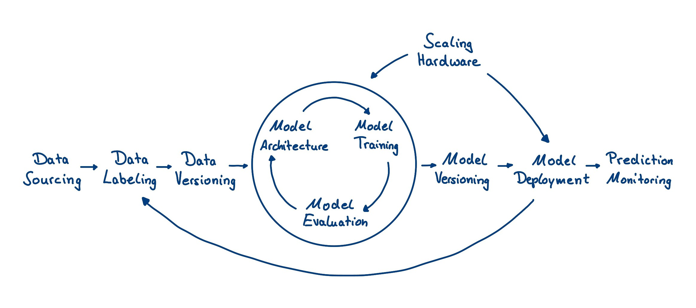

Reference: https://www.luminovo.ai/

DL Toolsets and Frameworks
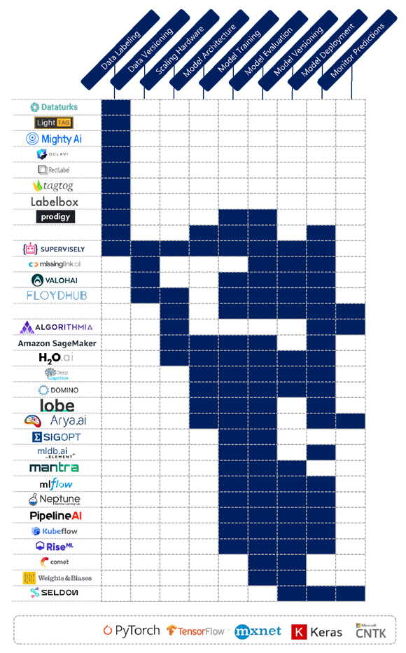

Reference: https://www.luminovo.ai/

